Exec Summary
Executive Summary 1

The Arizona Department of Child Safety (DCS) is committed to achieving safety, permanency and well-being for Arizona’s children and families. Driven by this commitment, as well as a desire to be a national leader for child safety through a well-run, efficient, and effective organization based on best practices, DCS developed the 2016-2020 Strategic Plan that outlined a clear and thoughtful approach to accomplishing these goals. Each year the Department refines its strategic goals to adapt to changing needs, successes and opportunities for improvement. The important task of keeping children safe and strengthening families requires intentional preparation, sequencing of efforts, transparency, accountability, and continuous improvement. The Department’s Strategic Plan provides a platform to address current issues and build for the future. In State Fiscal Year 2018 (FY 2018), DCS outlined five strategic priorities for its strategic plan. 1. Improve timeliness to permanency. 2. Increase the placement of children in a family like setting. 3. Improve employee retention. 4. Develop and implement the agency IT infrastructure. 5. Develop implementation strategy for behavioral health services.

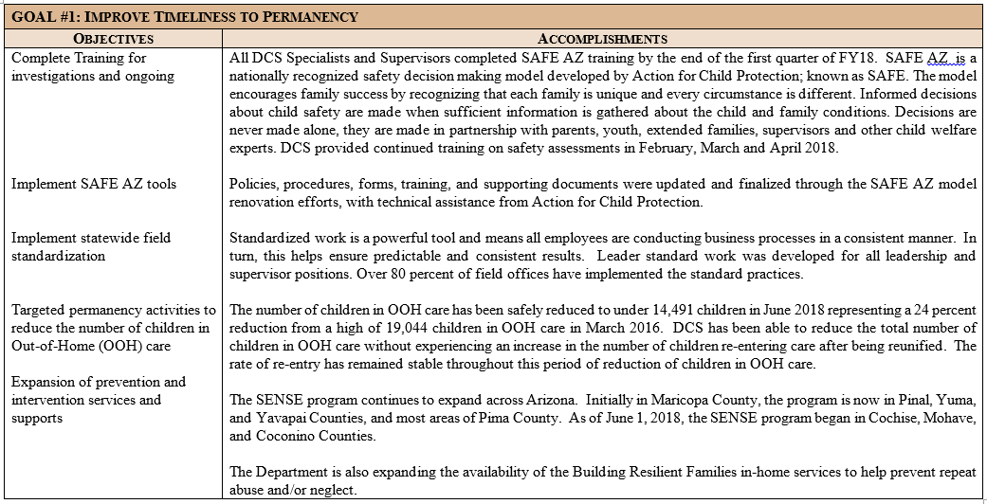

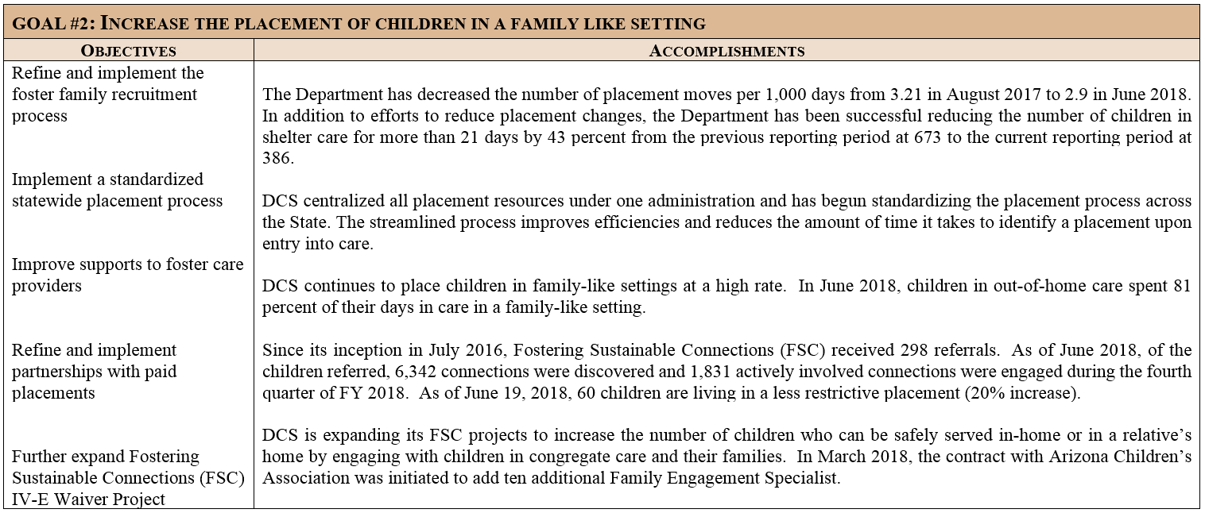

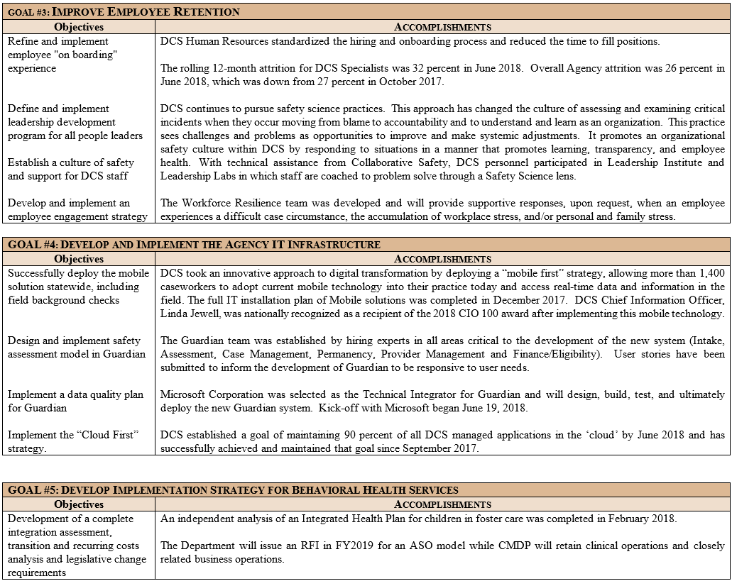

In addition to the strategic goals and objectives, the Department works diligently to provide safe, permanent homes for abused and neglected children. DCS has achieved numerous successes and continues to pursue additional improvement opportunities. Licensed Foster Care, Adoption and Kinship Homes DCS created the Foster Care and Adoption unit to centralize all the functions that impact the foster care and adoption recruitment process. The objectives are to support and retain licensed and unlicensed foster parents and maintain children’s placement stability in a family-like setting. The unit is working to improve case manager and caregiver relationships; build a customer service team; and improve kinship and foster care supports. Placement stability and family-like settings are always of paramount importance to children and the Department. The Statewide Placement Administration has been working to reduce the number of children in congregate care by identifying youth currently in group homes and searching for kinship placements. FSC continues to expand the Family Finding model to identify kin or fictive kin for older youth and help them to establish long and meaningful relationships and permanent placements. In addition, the Department is working closely with the Arizona Health Care Cost Containment System (AHCCCS) and the Regional Behavioral Health Authorities (RBHA) to review cases of children who have numerous placement changes and take a critical look at the supports and services needed to address the unique needs of these children and achieve placement stability, permanency, and successful transition to adulthood. Furthermore, the review seeks to ensure that the child’s current diagnosis is addressed with the identification and delivery of services to the youth and caregiver.
Employee Retention Turnover of Child Safety Specialists is a challenge to any child welfare agency, given the stressful nature of the work. Facing family crisis and child abuse and neglect on a daily basis can be mentally, physically, and emotionally taxing for DCS Specialists, Case Aides, Supervisors and Program Managers, as well as the staff who support these positions. Therefore, the Department has adopted several key approaches to help staff better cope and adjust to the strain and pressure that accompanies a child safety worker’s responsibilities. As noted before, DCS has shifted its focus on critical incidents to a culture of safety and is pursing safety science practices. This approach, which has changed the culture of assessing and examining critical incidents when they occur moving from blame to accountability, is helping managers, supervisors and Specialist to feel supported when critical situations arise. This approach involves them in the process to examine and understand what occurred and how we can learn as an organization. It promotes an organizational safety culture within DCS by responding to situations in a manner that promotes learning, transparency, and employee health.
Additionally, DCS created and is implementing the Workforce Resilience team which provides supportive responses, upon request, when an employee experiences a difficult case circumstance, the accumulation of workplace stress, and personal and family stress. This peer-to-peer approach to helping staff cope with difficult and challenging situations will offer a safe and supportive environment with persons who understand their experiences. The Department requests that employees who are resigning from DCS complete an exit survey. The surveys completed by Child Safety Specialist continue to reveal that low pay is a key reason for their decision to leave. Currently, Child Safety Specialist starting pay is $33,000 annually. The results of these surveys have found that nearly half of staff who completed the survey are leaving for reason as being ‘compensation not competitive’ compared to prior surveys that highlighted ‘quality supervision/management’ as one of the main reasons for leaving employment with the Department. .As training and supports for supervisors have improved and focus on coaching for supervisors will develop further in FY 2019, DCS anticipate this trend to continue. The Department outlined new initiatives in FY 2019 to improve employee retention through improved supervision. This objective will define and implement a model and infrastructure for people and practice coaching by Program Supervisors and Program Managers. This will include evaluating the organizational design that supports ongoing coaching for supervisors and managers. It will also provide a structure for continued development of DCS leaders targeting various stages of supervision, from aspiring leaders to experienced leaders. The Department is also planning to develop and implement a training that better prepares staff to be a supervisor on ‘day one’ so that they start the position with basic supervisory and managerial skills needed to make the transition from Specialist to Supervisor.

Safe Haven
SAFE HAVEN INFANTS
 | Oct 2014 - Mar 2015 | Apr 2015 - Sep 2015 | Oct 2015 - Mar 2016 | Apr 2016 - Sep 2016 | Oct 2016 - Mar 2017 | Apr 2017 - Sep 2017 | Oct 2017 - Mar 2018 | Jan 2018 - Jun 2018
Infants Delivered to Safe Haven | 2 | 0 | 1 | 1 | 0 | 1 | 0 | 2

