Exec Summary
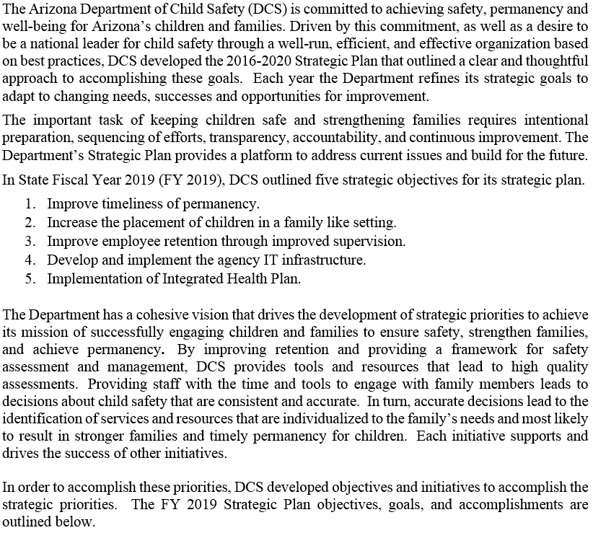
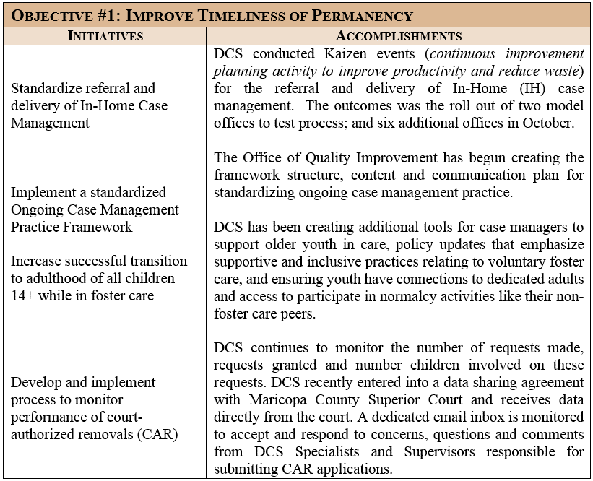
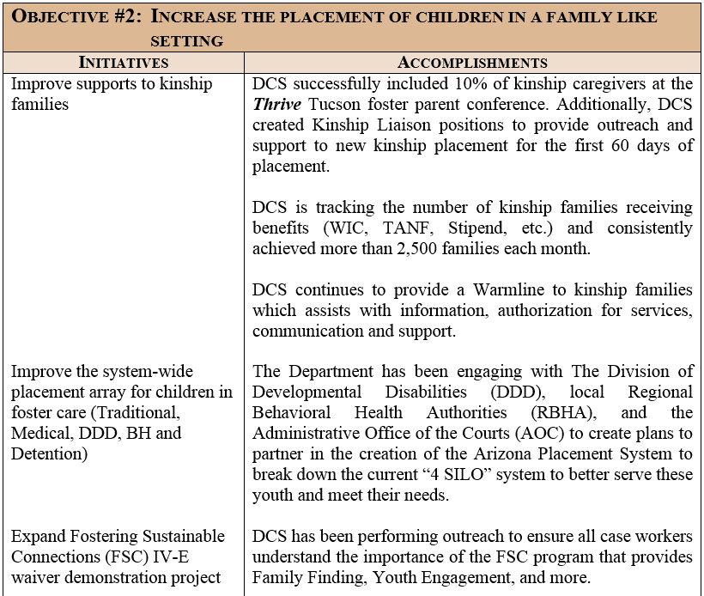
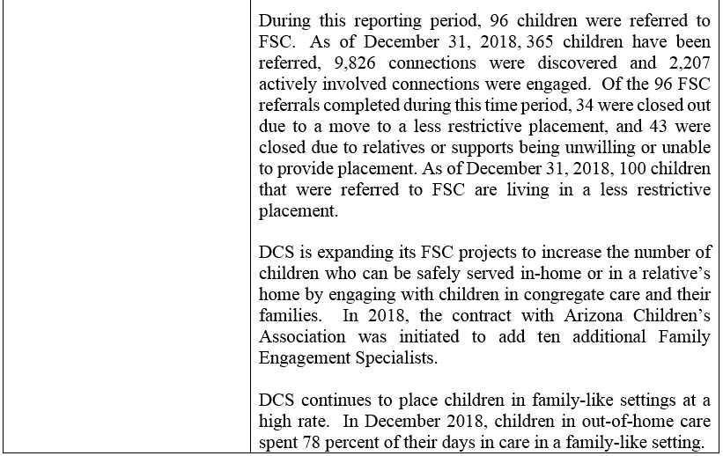
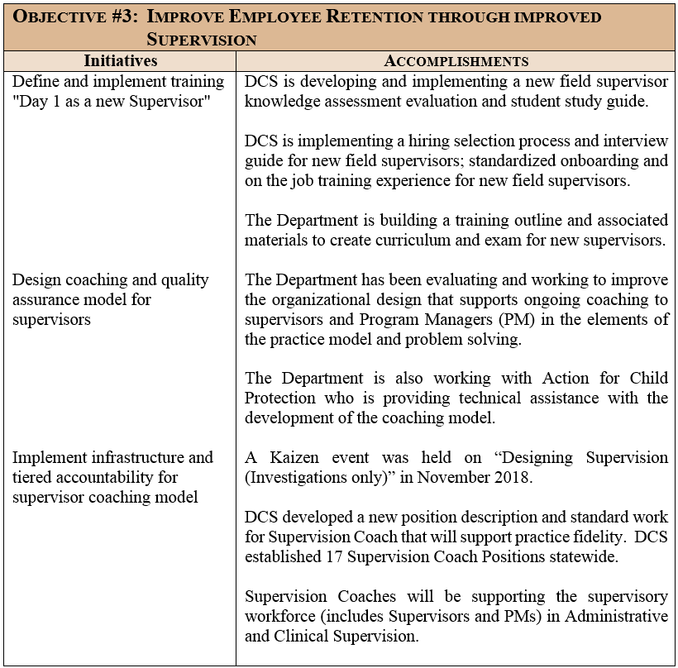
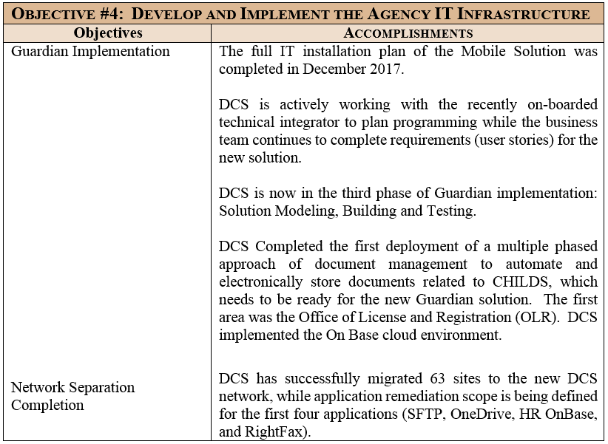
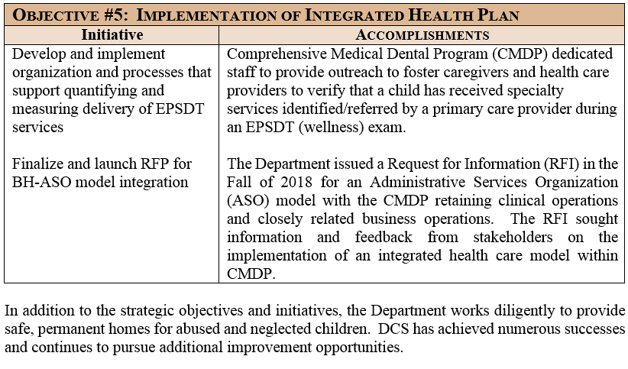
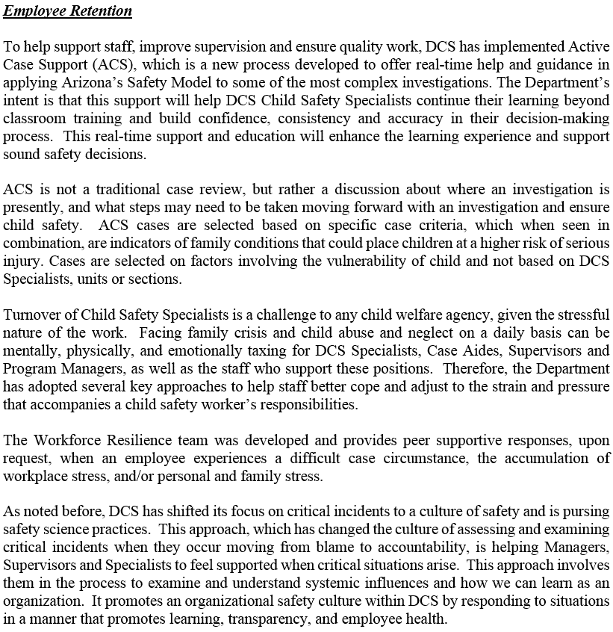
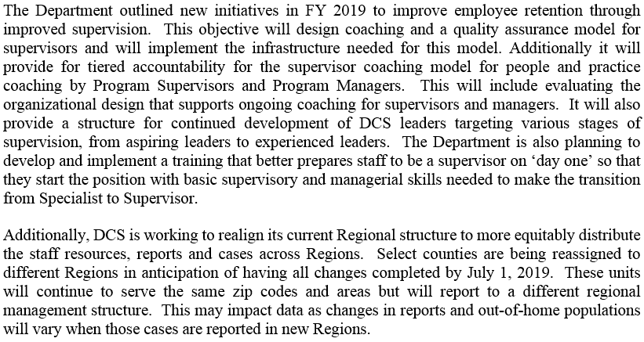
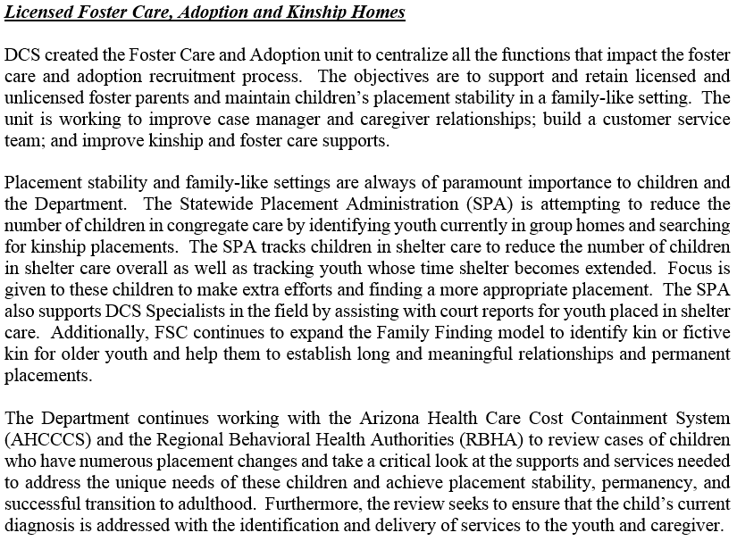
Executive Summary ..

Safe Haven
SAFE HAVEN INFANTS
 | Apr 2015 - Sep 2015 | Oct 2015 - Mar 2016 | Apr 2016 - Sep 2016 | Oct 2016 - Mar 2017 | Apr 2017 - Sep 2017 | Oct 2017 - Mar 2018 | Jan 2018 - Jun 2018 | Jul 2018 - Dec 2018
Infants Delivered to Safe Haven | 0 | 1 | 1 | 0 | 1 | 0 | 2 | 1

 | Infants Delivered to Safe Haven
Apr 2015 - Sep 2015 | 0
Oct 2015 - Mar 2016 | 1
Apr 2016 - Sep 2016 | 1
Oct 2016 - Mar 2017 | 0
Apr 2017 - Sep 2017 | 1
Oct 2017 - Mar 2018 | 0
Jan 2018 - Jun 2018 | 2
Jul 2018 - Dec 2018 | 1

