Exec Summary
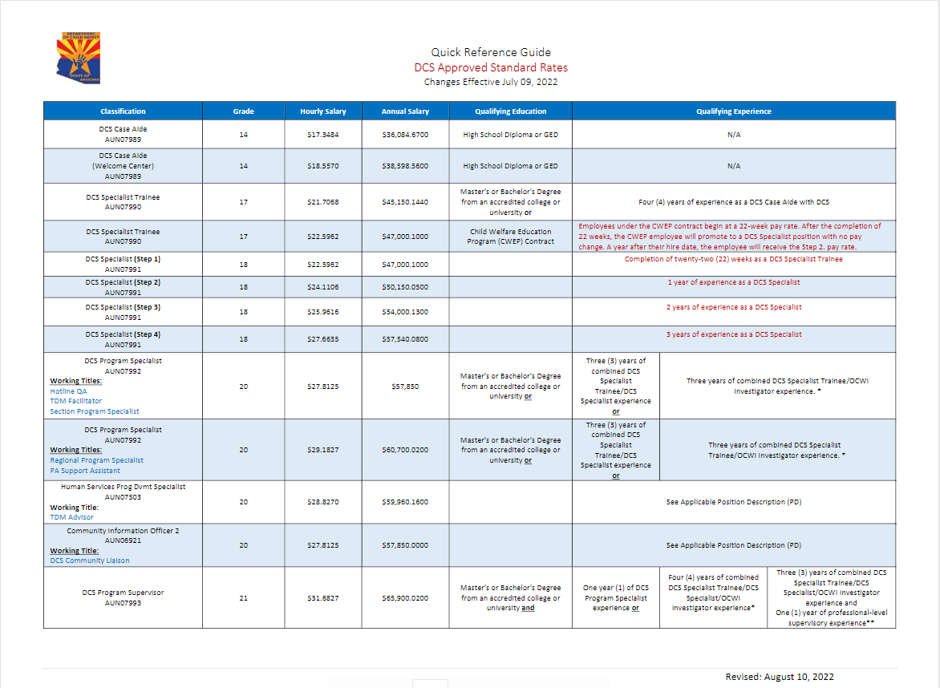
Executive Summary

The Arizona Department of Child Safety (DCS) mission is to successfully engage children and families to ensure safety, strengthen families, and achieve permanency. Our vision is that children thrive in family environments free from abuse and neglect. Driven by this commitment, as well as a desire to be a national leader for child safety through a well-run, efficient, and effective organization based on best practices, DCS developed its Strategic Plan that outlined a clear and thoughtful approach to accomplishing these goals. The Department adjusted its five-year strategies in State Fiscal Year 2021 (SFY21).
The Department’s five-year strategic priorities were:
1. All decisions are data informed, timely, mission-focused, built for sustainability, and considerate of system implications.
2. DCS culture that fosters and inspires mission-driven professionals who believe in and practice our shared values.
3. Design, implement and ensure fidelity of a service array that is individualized to strengthen families, cost efficient, and accessible by all who require support.
4. Every child is paired with a caregiver who receives necessary supports, and is able to meet the child’s needs and supports the child’s permanency goal.
5. DCS data is complete, accurate, protected, governed, and used to inform decisions.

The important task of keeping children safe and strengthening families requires intentional preparation, sequencing of efforts, transparency, accountability, and continuous improvement. The Department’s Strategic Plan provides a platform to address current issues and build for the future.
The Department has a cohesive vision that drives the development of strategic priorities to achieve its mission of successfully engaging children and families to ensure safety, strengthen families, and achieve permanency.
In order to accomplish these priorities, DCS developed initiatives to accomplish the strategic priorities. The SFY22 Strategic Plan initiatives, efforts and accomplishments are outlined below.
PRIORITY #1: DECISIONS ARE DATA INFORMED, TIMELY, MISSION-FOCUSED, BUILT FOR SUSTAINABILITY, AND CONSIDERATE OF SYSTEM IMPLICATIONS.
Initiatives | Accomplishments
Implement standardized clinical supervision in remaining ongoing case management units. | The Department continues defining practice standards for permanency sections and units to provide consistency for the population served in these areas. Observations of existing practice were completed, and field leaders will continue to be involved to inform the business decisions
Implement standardized administrative supervision and performance management in remaining ongoing case management units. | The Kaizen team created a standardized statewide process to transfer cases from Ongoing case management to Adoptions case management. Performance measures related to the transfer process were added to the unit and section level. Supervision documentation tools to track the quality of the documentation in the electronic record were developed for adoptions units.
Refine standard work, process adherence resources, and performance management processes (including mobile and telecommuting work force). | A new process was implemented to communicate changes and updates to standard work. The DCS Office of Continuous Improvement is assessing the current usage of administrative supervision elements in both Field Operations and Support Services.
PRIORITY #2: DCS CULTURE THAT FOSTERS AND INSPIRES MISSION-DRIVEN PROFESSIONALS WHO BELIEVE IN AND PRACTICE OUR SHARED VALUES.
Initiatives | Accomplishments
Develop and implement an aligned leadership and management culture that embodies and promotes our shared values, a learning and coaching mindset, and behavioral integrity. | In 2022, DCS continued its participation in the National Partnership for Child Safety (NPCS), a convening of multiple county and state jurisdictions working to utilize safety science to reduce child maltreatment. Through NPCS, DCS joined a Workplace Connectedness cohort. This multi-jurisdictional group meets monthly to discuss the theory of workplace connectedness and strategies to improve workplace connectedness. The strategies begin at a local/unit level with suggestions on how to grow the strategies department wide.
 | DCS has been supporting the curriculum development for Standardized Mandated Reporter Training. Work Force Resilience (WFR) provides a confidential and timely resource to aid DCS employees with the unique challenges of their roles and the impact it can have on personal and professional lives. WFR has 68 volunteers, and requests for assistance from WFR continue to increase monthly.

PRIORITY #3: DESIGN, IMPLEMENT AND ENSURE FIDELITY OF A SERVICE ARRAY THAT IS INDIVIDUALIZED TO STRENGTHEN FAMILIES, COST EFFICIENT, AND ACCESSIBLE BY ALL WHO REQUIRE SUPPORT.
Initiatives | Accomplishments
Implement enhancements to the direct services array (supports FFPSA). | The Department implemented service array enhancements effective July 1, 2021 by adding evidenced-supported services called the Family Connections (FC) and Nurturing Parenting Programs (NPP). Contracts were awarded for both services. The Department is designing revisions to parenting time practice and changes to parenting time supervision services.
Increase awareness of cross-agency process and develop efficient, operational partnerships with child-welfare system partners to improve service delivery that promotes child safety, strengthens families and promotes child well-being (ADE, DHS, AG’s, DES, QFCO, Courts and others). | DCS and the Juvenile Courts developed a bench guide to assist the Court in having a working knowledge of the new service array. Numerous juvenile judges were provided with training on the subject. DCS continues to meet with community partners on a bi-monthly basis to discuss child welfare data. These meetings explore not only DCS data but other child welfare related data. These discussions promote a common understanding of data definitions, and making data driven decisions to enhance service provision.
Monitor and improve integrated behavioral and physical health system within DCS. | The contract for integrated health care services was awarded to Mercy Care in July 2020 and DCS went live on April 1, 2021. This included significant revisions and improvements to the rapid response process, care management and access to child and youth information. DCS, CHP and Mercy Care meet monthly to conduct regular business reviews to highlight successes, address challenges and monitor continuous improvement efforts.
PRIORITY #4: EVERY CHILD IS PAIRED WITH A CAREGIVER WHO RECEIVES NECESSARY SUPPORTS, AND IS ABLE TO MEET THE CHILD’S NEEDS AND SUPPORT THE CHILD’S PERMANENCY GOAL.
Initiatives | Accomplishments
Increase the skills and array of caregivers, including the development of QRTPs. | DCS implemented the requirements of the Family First Prevention Services Act, including the development of QRTP, by the go-live data of October 1, 2021. As of June 2022, DCS has developed and contracted with 14 QRTP providers with an additional 10 pending accreditation. The 14 providers accounts for 612 licensed beds. The Department has updated its internal policies and forms, finalized a process flow for assessment and placement into a QRTP.
Refine and implement caregiver training to improve support of children and youth with higher needs. | DCS created a Foster Parent Curriculum that helps develop and grow skills to meet the needs of children in care. In April 2022, a therapeutic foster care curriculum re-design and implementation pilot began. The DCS funded (non-medically necessary) use of therapeutic foster care will now be referred to as “High Needs Foster Care.” Caregivers supporting this placement type must be certified therapeutic foster caregivers.
Redefine the support infrastructure for foster families to improve the recruitment experience and match the level of support between caregivers and the needs of children in their care. | DCS is working with foster and adoption support providers on recruitment of families and assistance with moving families through the licensure process (from inquiry to engagement). Additional funds were awarded to Foster and Adoption Supports to support those agencies in increasing their capacity to support current and prospective foster families and to nurture the pipeline of prospective foster parents.
Finalize and implement a child to out-of-home caregiver matching process. | The Department completed the mapping for the placement of children and youth by identifying kinships and family like settings as a priority based on the multiple needs of the child or youth. A Caregiver Assessment Tool was created and is being used to guide the decision-making process thereby ensuring improved consistency when making placement decisions.

PRIORITY #5: DCS DATA IS COMPLETE, ACCURATE, PROTECTED, GOVERNED, AND USED TO INFORM DECISIONS.
Initiatives | Accomplishments
Launch Guardian and update related business processes. | Guardian went live on February 1, 2021. Challenges to the provider and caregiver portal were aggressively addressed. The Department kept the resolution of these issues as a top priority and has resolved the critical issues with the portal. Overall, the Guardian system’s performance has been stable and has caused little interruption to the critical business of child protection and foster care. On March 31, 2022, CHILDS was removed for all users. DCS worked with the Arizona Department of Economic Security (DES) to successfully decommission CHILDS by mid-June 2022.
Implement continuous improvement for business processes through release and deployment. | Key issues with data collection and reporting have been addressed. The Department committed multiple internal resources to monitor data quality. Many of the existing reports have been updated to provide data back to January 2021.
Stabilize IT infrastructure and processes through continuous improvement initiatives. | DCS established a Data Governance program that will analyze existing data roles and policies, define a model for governance and define data, and establish standards and procedures for data collection and management. This includes creating a data inventory and data analytics strategy. DCS has been working to unify code and resolve relevant issues.

The Department has actively engaged data governance activities to develop consistencies in data definitions, procedures and methodologies. This will be a continuous improvement effort.
In addition to the strategic objectives and initiatives, the Department works diligently to provide safe, permanent homes for abused and neglected children. DCS has achieved numerous successes and continues to pursue additional improvement opportunities. DCS partnered with Grand Canyon University (GCU) to create the Fostering Futures Scholarship Program. This is a college pathway program for Arizona students experiencing foster care to achieve their academic goals. This program covers the cost of tuition, fees, housing, and meal plan for eligible students year-round. .
Integrated Physical and Behavioral Health Services for Children in Foster Care
Since April 1, 2021, DCS has been in partnership with Mercy Care to provide an integrated health plan model for the provision of physical and behavioral health services for children and youth. This partnership continues to develop innovative approaches to meeting the health care needs of children and youth, offer health care system navigation to caregivers, and enhance an already robust provider network.
Specific efforts include the expansion of Stabilization Team services to caregivers in Yavapai County (Prescott, Prescott Valley, Dewey and Chino Valley). The Stabilization Team provides short-term, intensive, wrap-around health services designed to assist children, youth, and their families in achieving wellness and to strengthen relationships within their community. In addition, it offers emergency telephone services and face-to-face crisis interventions and works collaboratively with Child and Family Team (CFT) members, established providers, youth and caregivers.
Additional service enhancements include an Integrated Rapid Response (IRR) as well as onsite health care support at the DCS Welcome Center. More specifically, DCS CHP Mercy Care, in conjunction with its provider network, has expanded its Rapid Response service provision to include physical health screenings as part of a ‘whole health’, well-being approach. As such, a child or youth’s behavioral health and physical health needs can be more expeditiously identified and referred for treatment. To better support children and youth upon entry into care or a change in caregivers, providers with expertise in behavioral health and physical health offer onsite Welcome Center services for children and youth as well as assist staff in meeting their health care needs. Enhancements to the provider network include additional behavioral health crisis support through the Mind 24/7 locations that opened in Spring 2022.
Licensed Foster Care, Adoption and Kinship Homes
The Foster Care and Adoption Administration within DCS centralizes all the functions that impact the foster care and adoption recruitment process. The objectives are to support and retain licensed and unlicensed foster parents and maintain children’s placement stability in a family-like setting. The administration remains committed to its work to improve DCS Specialist and caregiver relationships; enhance its customer service team; and improve kinship and foster care supports. The Department conducts quarterly statewide meetings with licensing agencies to provide relevant information and updates to the provider community and to hear their concerns and comments related to the delivery of services by DCS to foster homes.
The Department continues to recruit foster and adoptive families to care for children of all ages, with the most significant need continuing to be for teens, sibling groups, and children who have complex medical needs. DCS is using a variety of methods and incentives to assist with recruitment.
DCS created High Needs Foster Care (HNFC) to provide therapeutic foster care (TFC) in family settings when it is determined that it is the youth’s best care option, regardless of whether the circumstances fulfill Medicaid medical necessity criteria. The Department believes these youth should have the opportunity to receive TFC when appropriate, particularly when they enter care because of severe trauma. It is the Department’s intent to provide the opportunity for youth to remain in a family-like setting in the least restrictive environment but still receive a higher level of care to address their unique needs. The anticipated outcome is that youth would achieve placement stability and reduce placements into congregate care or higher levels of care.
DCS partnered with the Arizona Family Focused Treatment Association (AZ-FFTA) for much of this work through multiple engagements. Additionally, DCS provided grants to all agencies who license TFC caregivers to develop strategies and use as a kickoff to recruit more families. DCS introduced the HNFC rate in an effort to recruit regular foster caregivers to become TFC caregivers. DCS is expanding utilization of Child Developmental Homes (CDH) and using a statewide Likely Eligibility Tool (LET) to help determine if a CDH caregiver is possible earlier in the decision-making process. The LET tool helps to identify the most appropriate placement for children who are likely to be eligible for services with Department of Economic Security (DES) / Division of Developmental Disabilities (DDD) but who are not yet enrolled. This process was expanded statewide as of July 5, 2022.
The kinship stipend increased from $75 per month to $300 per month which took effect on July 1, 2022. DCS entered its next phase partnering with A Second Chance Incorporated (ASCI) to build processes for supportive and timely licensure for kinship families who wish to become licensed. This process will include a review of the training process for kinship families. HB 2084 was signed by Governor Ducey and allows DCS to waive the fingerprint clearance card requirement for kin to become licensed caregivers when a good cause exists but does restrict the license to only the children placed in the home for kinship placement. In July 2021, DCS applied for the Kinship Navigator grant which was awarded in January 2022. The grant provides funds to purchase tangible items to assist kinship caregivers with licensing requirements (e.g. pool fences, car seats, diapers/wipes, grocery gift cards, etc.). The Governor’s budget also included an increase in daily personal and clothing allowances for children of all caregiver types.
Through collaboration with Foster and Adoption Support partners and the caregiver community, DCS intends to spend the next year gathering information to ensure the right supports are in place for caregivers so they are able to successfully support children in their homes. Discussion will also be held around roles and responsibilities.
The Department continues to conduct closed loop feedback on information conveyed to foster caregivers (including the receipt of placement packets) through DCS CHP Onboarding outreach efforts. This continues with additional enhancements made after the integrated healthcare model was implemented. These enhancements included the establishment of Resource Liaisons who support caregivers’ access to and understanding of services available and required for youth in care. Mercy Care DCS CHP outreach caregivers specific to health services available to youth in out-of-home care.
The Statewide Placement Administration (SPA) continues to engage in efforts to reduce the number of children in congregate care by identifying youth currently in group homes and searching for kinship or foster home placements. The SPA tracks children in shelter care to reduce the number of children in shelter care overall as well as tracking youth whose time in shelter becomes extended. The SPA also supports DCS Specialists in the field by assisting with court reports for youth placed in shelter care.
Employee Retention
DCS is invested in employee retention by making every effort to reduce workloads for DCS Specialists, implementing Safety Science Principles, improved and enhanced employee training, developed a new onboarding experience, and implemented the Supervision Coach program. These initiatives improved employee job satisfaction and stabilized the workforce at the Supervisory level and above.
DCS has sought to strategize actions to help retain employees. The Department offers telecommuting and/or a virtual work environment for staff for whom it is appropriate given their work duties. The Arizona Legislature, with the backing of Governor Ducey, were able to secure a much-needed ten percent wage increase for state employees which became effective in July 2022. Additionally, field staff (child safety specialists, case aides, supervisors, and other field staff) were provided a ten percent Critical Services stipend in December 2021 that last for up to 6 months. Remaining staff (e.g. non-field staff) received a five percent Conditional Retention stipend in June 2022. (see Quick Reference Guide below for detailed break down of approved standard pay rates for field positions)
The Department will further invest and expand upon work previously conducted on departmental core values. Through these efforts, the Department’s leadership at the middle to senior most levels will develop deeper insights on applying the core values, nurturing a learning culture that is free to explore the complexities of child welfare in a safe and supportive manner while continuing to adhere to standardization. As noted previously, DCS is facing the same challenges with employee recruitment and retention as other public and private organizations in Arizona and across the nation. These staffing challenges are also prevalent amongst DCS’s service providers.
DCS also implemented a process that targets transitioning employees who are resigning. This ‘temporary workers’ program is a creative solution that allows staff to remain employed part-time to provide assistance to the Department when that help is needed. This allows the Department to access skilled staff to help when circumstances create a greater need for staff.
Settlement Agreement for the BK (Tinsley) v. Faust class action lawsuit
In February 2021, the United State District Court approved the settlement agreement between Children’s Rights, Inc., who filed the lawsuit, and the Department. The agreement must be successfully achieved by December 31, 2025.
The agreement focused primarily on four key areas: placement array, DCS Specialist workload, provision of behavioral health services and provision of physical and dental health services. Within these areas, key priorities were identified, including but not limited to, the reduction of the use of congregate care, increased access to therapeutic foster care and the timely delivery and receipt of Early Periodic Screening, Diagnostic, and Testing (EPSDT) services.
Prior to preliminary approval of the agreement, DCS had already implemented improvement activities that would address these areas. These include the integrated health care model, reduction of congregate care use through planning efforts for FPPSA and improved placement decisions, supports provided to DCS Specialist including supervision coaches, enhanced trainings, and active case supports.

Safe Haven
SAFE HAVEN *
 | Jan 2018 - Jun 2018 | Jul 2018 - Dec 2018 | Jan 2019 - Jun 2019 | Jul 2019 - Dec 2019 | Jan 2020 - Jun 2020 | Jul 2020 - Dec 2020 | Jan 2021 - Jun 2021 | Jun 2021 - Dec 2021 | Jan 2022 - Jun 2022
Unharmed Infants Delivered to Safe Haven | 2 | 1 | 3 | 1 | 0 | 2 | 1 | 3 | 1
Unharmed Infants Delivered to Safe Haven
Jan 2018 - Jun 2018 | 2
Jul 2018 - Dec 2018 | 1
Jan 2019 - Jun 2019 | 3
Jul 2019 - Dec 2019 | 1
Jan 2020 - Jun 2020 | 0
Jul 2020 - Dec 2020 | 2
Jan 2021 - Jun 2021 | 1
Jun 2021 - Dec 2021 | 3
Jan 2022 - Jun 2022 | 1

* These counts are for newborn infants less than 72 hours old, who qualify pursuant to A.R.S. § 13-3623.01.

