A3
Department of Child Safety FY18 Strategy Deployment A3 |  |  |  |  |  |  | Process Owner: Director McKay |  |  | Revision Date: 7/17/2018

FY2017 has focused on creating capacity in the system permitting case workers to further engage with families to improve assessment quality, deliver services to famlies and improve the number of children achieving timely permanency. Significant gains have been made implementing the DCS Management System and the results have been seen throughout the department. Opportunities for improvement remain in several keys areas of the organization including further improvements in objective decision making, improvements in foster care placements, placement options and provider/placement supports. Additional opportunities exist to improve IT automation including data integrity and collection as well as pursuing integration of Behaviorial Health Service with Medical sevices.
Current Condition, Gaps and Needs (Updated 6/3/2017) |  |  |  |  |  | FY18 Strategic Initiatives |  |  |  |  | Plan |  |  | Complete |  |  | On track |  |  | Risk |  | Behind
 |  |  |  |  |  |  |  |  |  |  | Project Management Type A= A3; P = Project Management
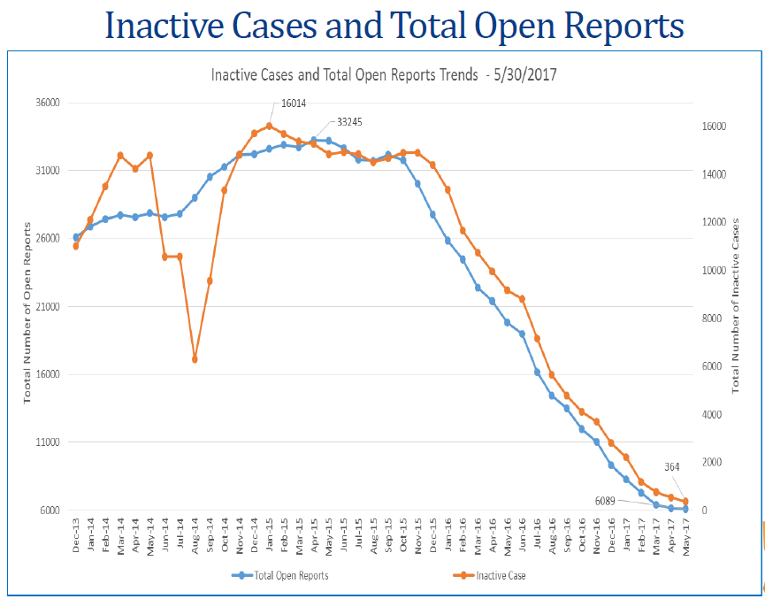 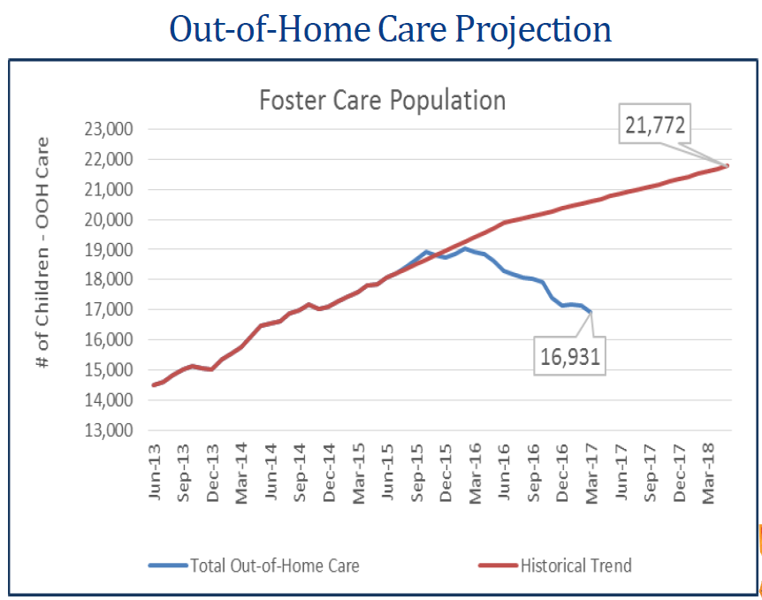 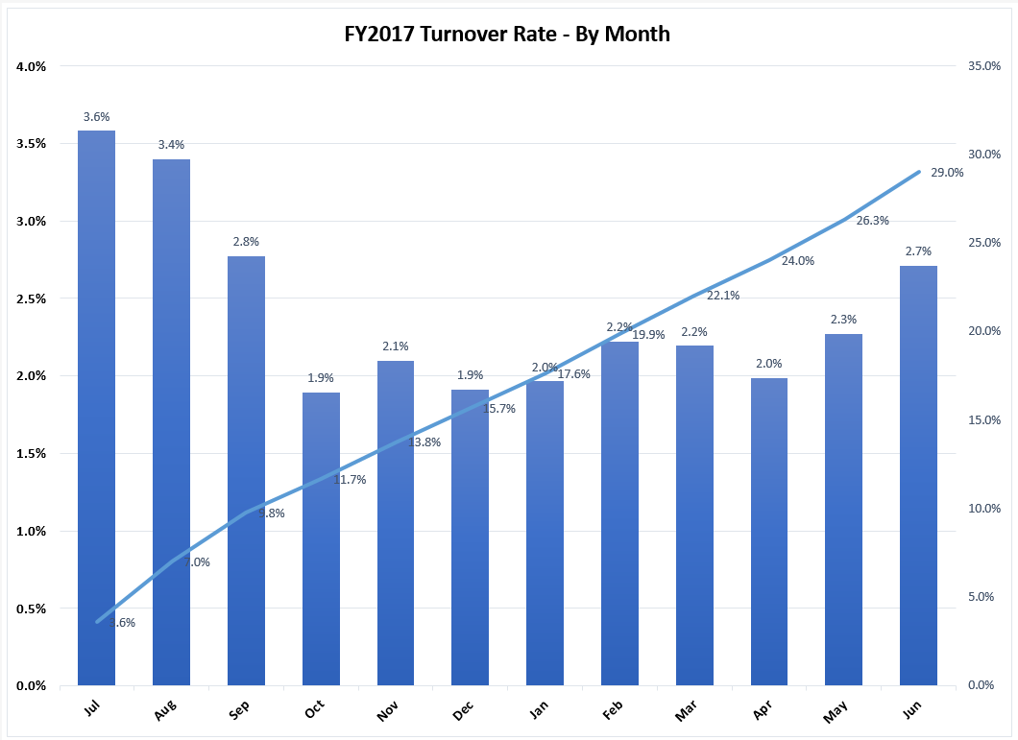 |  |  |  |  |  | Obj. | Strategic Initiatives | Key Action Summary | Team Lead | Metrics |  | FY18 - Q1 |  |  | FY18 - Q2 |  |  | FY18 - Q3 |  |  | FY18- Q4
 |  |  |  |  |  |  |  |  |  |  |  | J | A | S | O | N | D | J | F | M | A | M | J
 |  |  |  |  |  | 1 | Implement SAFE AZ Model | - Complete training for investigations and ongoing, and system stakeholders. - Implementation of SAFE AZ tools | K. Guffey | Increase in the use of In Home Services | P | O | O | O | O | O | O | O | O | O | O | O | C

 |  |  |  |  |  | 1 | Implement statewide field standardization | - Complete implementation of statewide standard for ongoing-specialized units including case planning, transfers, and disclosures. - Implement management system elements into policy | S. Hintze | Complete 100% of standarization implementation for all offices | A | O | O | O | O | O | O | O | O | O | O | O | C

 |  |  |  |  |  | 1 | Targeted permanency activities to reduce the number of children in OOH | - Utilization of contracted providers to assist with targeted permanency activities including proactive ongoing case management - Explore expansion of permanent guardianship | S. Hintze | Number of children in out-of home care | A | O | O | O | O | O | R | R | R | O | O | O | C

 |  |  |  |  |  | 1 | Expansion of prevention and intervention services and supports | Enhancement and expansion of Care Portal, SENSE, Baby Boxes, Building Resilient Families, Fast Pass pilot | S. Smith | Increase the referral and utilization of specified preventative services | A | O | O | O | O | O | O | O | O | O | O | O | C

- Inactive cases and open reports have both realized a 90%+ reduction
- WIth improvements in capacity realized, Department efforts are focused on improving assessment consistency and quality, and family engagement.
- OOH population has reduced for the first time since 2005. Population peaked at 19,044 children in February 2016, and fell to 16,931 in March 2017. Case loads have reduced throughout the state as a result of the reductions.
- Employee turn over remains a challenge despite efforts to improve performance. YOY performance improved in the second half the year but Jul-Sep seperations were too high to realize YOY improvement
 |  |  |  |  |  | 2 | Refine and implement the foster family recruitment process | - Develop a recurring process to identify and resolve geographic and demographic gaps in placement array | AD Foster Care Supports | Process developed and implemented (including targets/actual) for foster placements recruitment by license/cohort type | A | O | O | O | O | O | O | O | O | O | O | O | C

 |  |  |  |  |  | 2 | Implement a standardized statewide placement process | -Standardize the placement process statewide, placement service authorization process and improve location of runaways | C. Ballard | Decrease % of children placed in congregate care as first placement Decrease % of children palced in congregate care | A | O | O | O | O | O | O | O | O | O | O | O | C

 |  |  |  |  |  | 2 | Improve supports to foster care providers | Development of process and infrastructure to provide kinship and foster care providers with improved training, improved supports and connectivity to services | AD Foster Care Supports | Distribute 100% of the Kinship stipend resources 95% of foster placements contacted via on boarding process | A | O | O | O | R | O | O | O | R | O | O | O | O
Reflection on Last Year's Objectives
Obj # | Objective: |  |  | Results/Issues | % Achieved
1 | Avoid historic 10%+ O-O-H population growth through improving safety decisions, targeted activities and prevention work |  |  | Department realized a 12% OOH population reduction over the past 15 months. These gains along with the implementation of an intentional management system have prepared the system to focus on practice quality | 80% | 2 | Refine and implement partnerships with paid placements | - Define and implement roles and responsibilites for the Department HRSS providers including site visits and increased partnership | T. Bish | Provider site visits completed quarterly | A | O | O | O | O | O | O | O | O | O | O | O | C

2 | Maintain Fiscal Responsibility |  |  | Department developed a structured budgeting and review process as well as implemented sustainable cost reduction initiatives to operate within operating allocation | 95%
 |  |  |  |  |  | 2 | Expand Fostering Sustainable Connections IV-E Waiver Project | Expand Fostering Sustainable Connections by utilizing privatized providers | S. Blackburn | Expand waiver project per schedule | P | O | O | O | R | O | O | O | O | O | O | O | O
3 | Improve employee retention |  |  | Department eliminated work load constraints in investigations and implemented a revised case work pay structure. Development of the on boarding experience finished FY17 in pilot phase. | 40%

--- | --- |  |  | --- | --- | 3 | Refine and implement "on boarding" experience | Improve retention through improvement of employee on boarding , training and coaching of all case carrying staff and supervisors | K. Ross | % attrition for trainees within first 22 weeks | P | O | O | O | O | O | O | O | O | O | O | C | C

--- | --- |  |  | --- | ---
 |  |  |  |  |  | 3 | Define and implement leadership development program for all people leaders | - Improve retention through development of supervisors and Managers in both general management and leadership skillset - Establish a leadership succession development strategy | HR Greg | Accomplish monthly action items on time per the action plan baseline | P | O | O | O | R | R | R | R | R |  |  |  |  | s

5 Yr Agency Strategic Priorities
Improve objective decision making in Investigations and Ongoing |  |  |  |  |  | 3 | Establish a culture of safety and support for DCS staff | - Implement Safety Science in the onboarding/training process - Establish peer to peer support teams | C. Melsek J. Bilskie | Percent of employees involved in critical incident review that particpated in peer to peer support # of self referrals for peer to peer support | A | O | O | O | O | O | O | O | O | O | O | C | C
Develop and retain a highly effective workforce that engages with child welfare partners to serve children and families
Reduce length of stay for children in out-of-home care
Provide a quality experience for children while in out-of-home care |  |  |  |  |  | 3 | Develop and implement an employee engagement strategy | - Implement an employee recognition and engagement committee - Design and implement a job shadowing program | HR Greg | TBD - METRIC | A | R | R | R | O | R | R | R | R | O | O | O | O
Reduce recurrence of maltreatment by providing quality service

 |  |  |  |  |  | 4 | Successfully deploy the mobile solution statewide | - Full deployment of mobile solution that supports investigations and ongoing - Implement access to run background checks while in the field | L. Jewell | Complete 100% of the IT isntallation plan by June 30, 2018 | P | O | O | O | O | O | C | C | C | C | C | C | C
FY18 Strategic Objectives
Obj # | Exec Sponsor | Summary | Summary
1 | K. Guffey | Objective: | Improve timeliness to permanency |  |  | 4 | Design and implement safety assessment model in Guardian | - Further reinforce the SAFE AZ Model through automation | L. Jewell | Complete 100% of the IT isntallation plan by June 30, 2018 | P | O | O | O | R | R | R | R | R | R | R | R | R
 |  | Metric: | Increase the percentage of children achieving permanency through reunification within 12 months
2 | M. Faust | Objective: | Increase the placement of children in a family like setting
 |  | Metric: | 1.) Decrease the number of placement moves per 1,000 care days 2.) Increase the percentage of care days spent in a family setting |  |  | 4 | Implement a data quality plan for Guardian | - Align data initiatives against data management practices and federal rules | L. Jewell | Complete 100% of the IT installation plan by June 30, 2018 | P | O | O | O | O | O | O | O | O | R | R | R | R
3 | HR Greg | Objective: | Improve employee retention
 |  | Metric: | Reduce agency employee turnover
4 | L. Jewell | Objective: | Develop and implement the agency IT infrastructure |  |  | 5 | Develop implementation strategy for behavioral health services | Development of a complete integration assessment, transition and recurring costs analsysis and legislative change requirements | M.Faust | Accomplish monthly action items on time per the action plan baseline | A | O | O | O | O | O | O | O | O | O | O | O | C
 |  | Metric: | Complete 100% of IT implementation plan
5 | M.Faust | Objective: | Develop implementation strategy for Behavioral Health services
 |  | Metric: | Complete 100% of implementation strategy including legislation plan


DCS Vision |  | Children thrive in family environments free from abuse and neglect |  |  |  | Core Principles |  | Safety: All Arizona's children are safe and protected from harm Permanency: All Arizona's children live in safe, loving forever families Well-Being: All Arizona's Children are given the opportunity to thrive through support of strong families and their communities

DCS Mission |  | Successfully engage children and families to ensure safety, strengthen families, and achieve permanency

